Profile information & contents
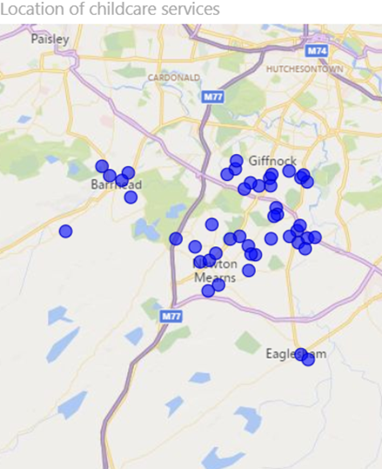
East Renfrewshire Local Authority ELC Profile, as at 31 December 2018

Data sources
Care Inspectorate: service lists (different dates) and annual returns (different years)
Care Inspectorate: Early Learning and Childcare Statistics 2018 (and previous years)
Care Inspectorate: Staff Vacancies in Care Services 2017
Scottish Social Services Council: 2017 Workforce Data report (and previous years)
National Records of Scotland: Population Projections (2016-based)
Scottish Index of Multiple Deprivation (2016)
Scottish Government Urban Rural Classification (2016)
Service types and age ranges
The type of service (nursery, creche, etc) is as defined in the 2018 annual return - with some quality checks undertaken.
This profile focusses on services that provide Early Learning and Childcare - children and family centres, nurseries and playgroups (defined as childcare services within this profile). Furthermore, as the figures from children and family centres and playgroups are low, a number of charts throughout this profile focus mainly on nurseries, whereas the Early Learning and Childcare Statistics 2018 also provides information on out of school care, holiday playschemes but not creche services as they predominantly provide a drop-in service. This profile does not focus on childminders due to inadequate data.
The focus of the age range for provision is children aged 0-5, however please note that some of the nurseries provide an additional service, such as out of school care or breakfast club, and would therefore also care for children older than 5.
Whole-time equivalent (WTE) figures
2018 data not yet published. WTE figures are from the service list and annual return, they are based on a 40-hour whole time definition. Where the Scottish Social Services Council have made some imputations for the total number of staff it may not fit well with the WTE estimate. Please note there are some services with high WTE estimates compared to the total number of staff.
Staff vacancies
2018 data not yet published. As no imputation was undertaken for missing vacancy data, information on staff vacancies is based only on those active services that submitted an annual return during the different time periods, and whose answers were applicable for the questions, therefore the number of services shown may be different to figures in other tables.
Please note that these vacancies figures will not match the vacancies report as it includes cancelled services and this profile does not.
Profile information
For some tables, totals may not add up exactly due to the effect of rounding errors.
The information in this profile differs from the Early Learning and Childcare Statistics 2018 publication in that the figures in the publication are rounded for a number of data items due to uncertainty in estimates whereas this profile reports non-rounded figures and includes estimated data to account for information that was missing due to non-submission of annual returns.
Rate per place
In the registered children by age tab a rate per place measure is used. This is the total number of children registered divided by the capacity (registered places) to provide a rate per place (children per nursery place). Comparison can be measured against the rate per place in Scotland.
Contents
Summary tables and charts
Number of services and capacity
Number of childminding services and capacity
Funded places
Trend in children registered
Registered children by age
Service quality
Sessions and opening times
SIMD and urban or rural
Staffing and vacancies
National rec population stats
Care service list

Summary tables and charts
East Renfrewshire Local Authority ELC Profile - Summary Tables and Charts, as at 31 December 2018

Number of childcare services, registered places and number of children registered (0-12 years and over) - change between 2016 and 2018
Service Type | Provider Sector | Number of services in 2018 | Change 2016 - 2018 | Capacity (registered places) 2018 | Change 2016 - 2018 | No of children registered in 2018 | Change 2016 - 2018
Children and Family Centre | Public | 6 | -14.3% | 471 | -18.2% | 635 | -7.6%
Children and Family Centre Total |  | 6 | -14.3% | 471 | -18.2% | 635 | -7.6%
Nursery | Private | 11 | 0.0% | 705 | -0.8% | 834 | -10.0%
 | Public | 13 | 18.2% | 1,006 | 34.9% | 1,341 | 11.6%
 | Voluntary or Not for Profit | 3 | 0.0% | 91 | 0.0% | 70 | -25.5%
Nursery Total |  | 27 | 8.0% | 1,802 | 16.4% | 2,245 | 1.0%
Grand Total |  | 33 | 3.1% | 2,273 | 7.0% | 2,880 | -1.0%
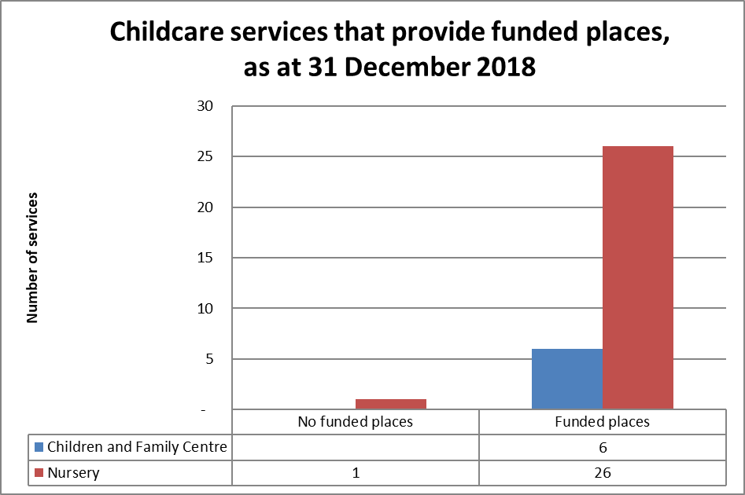

Childcare services that provide funded places
Service Type | Does the service provide funded places | Number of services | Capacity (registered places)
Children and Family Centre | Yes | 6 | 471
Children and Family Centre Total |  | 6 | 471
Nursery | No | 1 | 36
 | Yes | 26 | 1,766
Nursery Total |  | 27 | 1,802
Grand Total |  | 33 | 2,273

Quality of nurseries in East Renfrewshire
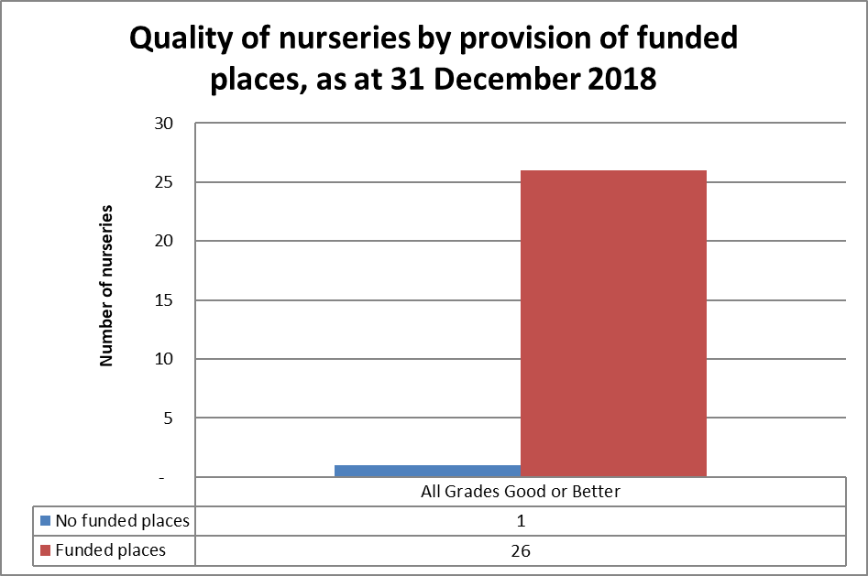
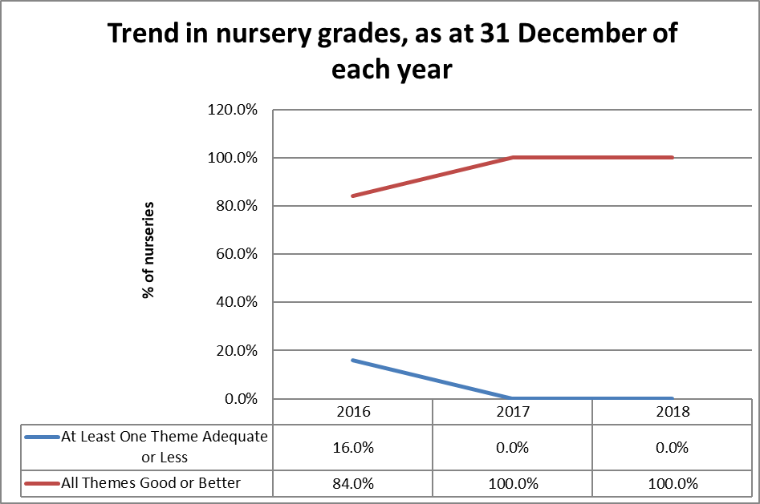

Number of nurseries and registered places by sessions provided in services
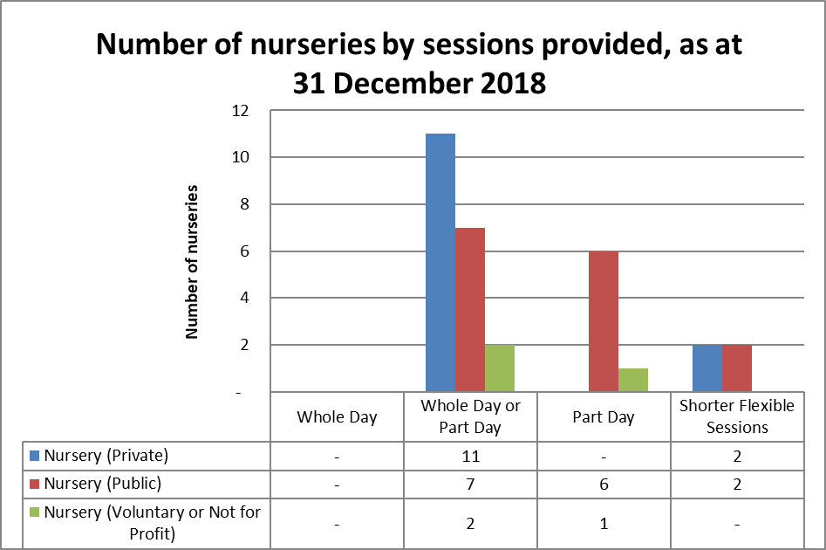
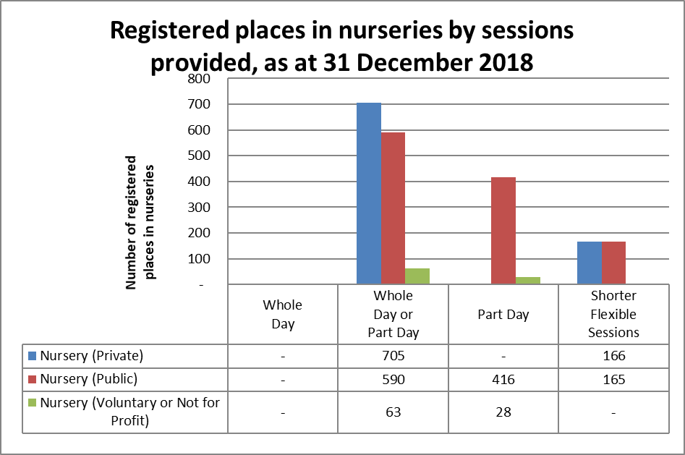

Number of nurseries and registered places by opening times (term time)
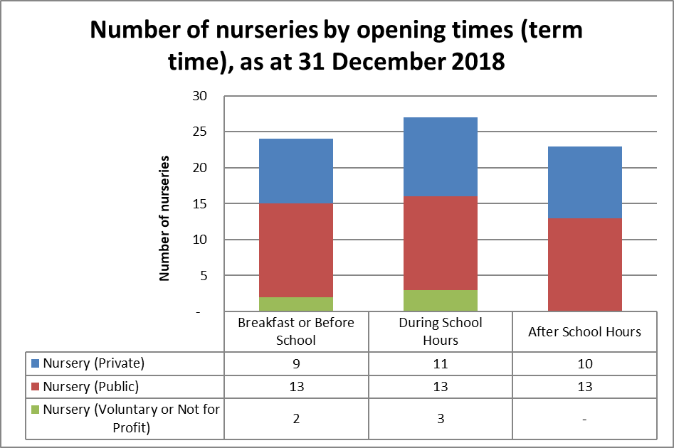
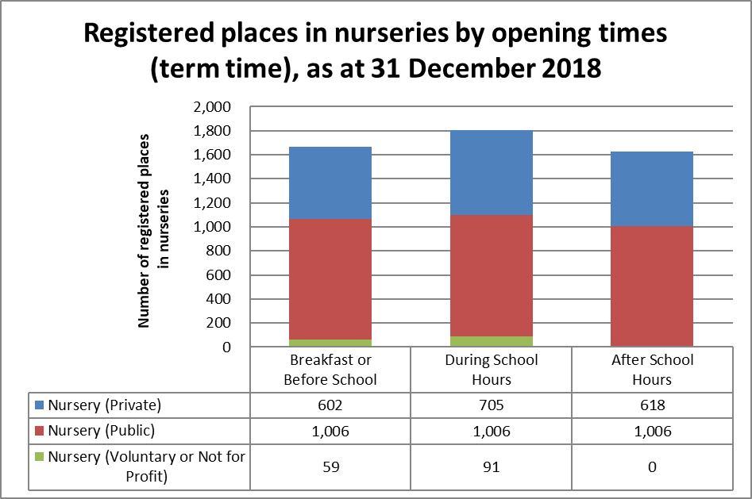

Projected population change of 2, 3 and 4 year old children in East Renfrewshire, 2018 and 2028 (vs Scotland % change)

% of childcare services with staff vacancies and services that find staff vacancies hard to fill in East Renfrewshire and Scotland
2018 staffing and vacancy figures have not yet been published.

Number of CMs and capacity
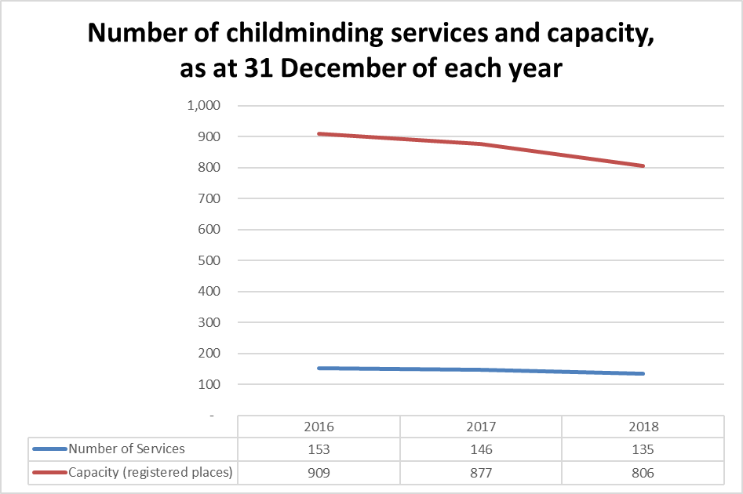
East Renfrewshire Local Authority ELC Profile - Number of Childminding Services and Capacity, as at 31 December 2016-2018

Comparing 31 December 2018 to 31 December 2016 there were 561 fewer childminding services registered with the Care Inspectorate in Scotland. This page has been included to show the change in number of childminders registered in the local authority area, and is the only page with childminder figures.

Trend in number and capacity (registered places) of childminding services in East Renfrewshire between 2016 and 2018
Service Type | Number of services in 2016 | Number of services in 2017 | Number of services in 2018 | Change 2016 - 2018
Childminding | 153 | 146 | 135 | -11.8%
Grand Total | 153 | 146 | 135 | -11.8%

Service Type | Capacity (registered places) 2016 | Capacity (registered places) 2017 | Capacity (registered places) 2018 | Change 2016 - 2018
Childminding | 909 | 877 | 806 | -11.3%
Grand Total | 909 | 877 | 806 | -11.3%

National rec population stats
East Renfrewshire Local Authority ELC Profile - National Records of Scotland Population Stats

These stats are compiled by National Records of Scotland and can be found at:
https://www.nrscotland.gov.uk/statistics-and-data/statistics/statistics-by-theme/population/population-projections/sub-national-population-projections/2016-based/detailed-tables
2016-based principal population projections for council areas, by sex, single year of age and year

Projected child population change, East Renfrewshire, 2018 and 2028 (vs Scotland % change) |  |  |  |  |  | Projected population change of 2, 3 and 4 year old children in East Renfrewshire, 2018 and 2028 (vs Scotland % change)
Children's Age | 2018 | 2028 | change | % change | Scotland % change | Children's Age | 2018 | 2028 | change | % change | Scotland % change
0 | 888 | 989 | 101 | 11.4% | 1.0% | 2 | 1,081 | 1,146 | 65 | 6.0% | 1.4%
1 | 913 | 1,060 | 147 | 16.1% | 5.1% | 3 | 1,116 | 1,221 | 105 | 9.4% | 0.2%
2 | 1,081 | 1,146 | 65 | 6.0% | 1.4% | 4 | 1,215 | 1,276 | 61 | 5.0% | -0.1%
3 | 1,116 | 1,221 | 105 | 9.4% | 0.2%
4 | 1,215 | 1,276 | 61 | 5.0% | -0.1%
5 | 1,257 | 1,318 | 61 | 4.9% | -1.6%
6 | 1,287 | 1,333 | 46 | 3.6% | -3.9%
7 | 1,365 | 1,352 | -13 | -1.0% | -7.0%
8 | 1,302 | 1,358 | 56 | 4.3% | -2.5%
9 | 1,252 | 1,380 | 128 | 10.2% | -5.1%
10 | 1,281 | 1,389 | 108 | 8.4% | -5.2%
11 | 1,277 | 1,346 | 69 | 5.4% | -4.4%
12 | 1,242 | 1,455 | 213 | 17.1% | 1.8%
13 | 1,270 | 1,428 | 158 | 12.4% | 4.3%
14 | 1,231 | 1,460 | 229 | 18.6% | 7.0%
15 | 1,171 | 1,454 | 283 | 24.2% | 12.1%
0-15 | 19,148 | 20,965 | 1,817 | 9.5% | 0.0%

